IDENTIFY KEY PRIMARY CUSTOMER (
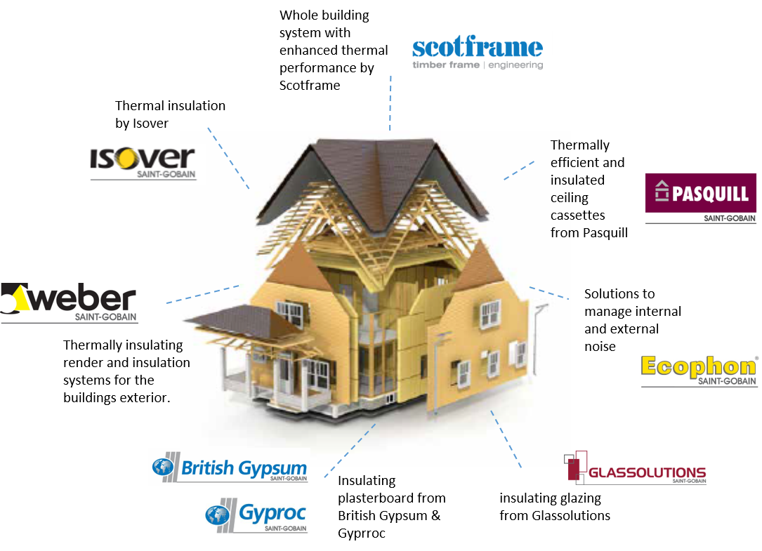
SAINT-GOBAIN

 |  |  | MAIN ATTRIBUTES OF SUSTAINABLE HOUSING
 |  |  | energy efficient, saving carbon and energy costs, well lit, air tight and well ventilated, and effectively manage acoustics

 |  |  | BASICALLY FIND A WAY TO HELP SAINT GOBAIN SAVE ON NATURAL RAW MATERIAL USE (HOW CAN CAMBOND CONTRIBUTE SIGNIFICANTLY (IS THERE LARGE SCOPE FORGET MINOR CONTRIBUTIONS?))

 | We recover resources from Construction and Demolition sites either directly as services for our customers, or by acquisition via third parties, which is then used in our own manufacturing processes or recycled by our suppliers. By doing this we recover over 175,000 tonnes of resources for re-use.
 | In the future we will be exploring the potential for processes to enable us to measure and report on our performance in waste recovery split by pre-consumer (i.e. waste created in the construction of the building) and post-consumer (i.e. end of life/demolition/refurbishment waste). We recover resources through British Gypsum & Gyproc Ireland [Plasterboard], Isover [Glass for insulation manufacture], Weber [EPS Insulation], Saint-Gobain [Glass].
SAINT GOBAINS ALLEGED WAY OF PROVIDING SOLUTIONS/PRODUCT AND SERVICES THAT SERVE THESE TRENDS |  | Already have a circular economy practical solution in place

